1. Title Page
Grocery Basket Analysis

Project Name: Grocery Basket Analysis
Date: 11/04/2024
Analyst Name: Nuno Marques

 | Data Citation
Contents: | “The Instacart Online Grocery Shopping Dataset 2017”, Accessed from www.instacart.com/datasets/grocery-shopping-2017 via Kaggle on [date].
Population Flow | Customer and price data was fabricated for the purposes of this analysis
Consistency checks
Wrangling steps
Column derivations
Visualizations
Recommendations

2. Population Flow
Title page

Population flow

Exclusion flag
Condition: max_order < 5
Obervations to be removed: 1440295
Final total count of order_products_all: 30964564

Orders_products_combined
Orders_products_merged
Orders_products_all

Total: 32404859
Total: 32434489
Total: 30964564

1.) The grey boxes in the first row of the population flow represent the original data sets as they were when you downloaded them. In the Total fields you need to add the count of the rows when you imported the data set into Jupyter.
2.) The second row of boxes (coloured) represents the data sets after you manipulated them, e.g., removed missing values and duplicates. In the Total fields you need to add the count of the rows after conducting these operations. This offers a visual oveview of how the data flows throughout the data consistency checks.
3.) The third row, where also the arrows are coloured, represents the merges you performed between the datasets. In the Total fields you need to add the count of the rows in the merged datasets, so that you end up with the final dataset (in the red box). Keep in mind the final dataset should be without exclusions (based on the exclusion flag).

3. Consistency checks
 |  |  |  | Title page
Consistency checks

Dataset | Missing values | Missing values treatment | Duplicates
orders | 206209 | Created a Flag that clarifies missing info | N/A
products | 16 | Dropped | 5
orders_products_prior | N/A | N/A | N/A
customers | N/A | N/A | N/A

4. Wrangling steps
 |  |  |  |  | Title page
Wrangling steps

Dataset | Columns dropped | Columns renamed | Columns' type changed | Comment/Reason
orders | eval_set | order_dow --> orders_day_of_week | order_id: int64 --> str user_id: int64 --> str | Dropped: contains system information that acts as a label for the entire data set. It has one value—prior. Not relevant for analysis Rename: reducing ambiguity Type Change: Both are identifiers, not relevant for numerical analysis
products |  |  | product_id: int64 --> int32 aisle_id: int64 --> int16 department_id: int64 --> int8
orders_products_prior | prices column was not dropped, but 5127 outliers (price>100) were replaced by NaN |  | product_id: int64 --> int32 add_to_cart_order: int64 --> int16 reordered: int64 --> int8 user_id: int64 --> int32 order_number: int64 --> int8 orders_day_of_week: int64 -->int8 order_hour_of_day: int64 -->int8
customers |  | First Name':'first_name' 'Surnam':'surname' 'Gender':'gender' 'STATE':'state' 'Age':'age' 'n_dependants':'number_dependants' 'fam_status':'family_status' | user_id: int64 --> str first_name had mixed types. Changed all to str
Orders_products_all | 1440295 records dropped, as they did not meet the exclusion flag, max_order > 5

5. Column derivations
 |  |  |  | Title page

Column derivations and aggregations

In this tab you should add tables below that the frequences of flags/label variables that you produced after deriving them. NB: don't do this for continuous variables, only for flags.
Dataset | New column | Column/s it was derived from | Conditions
orders_products_merged | busiest_day | orders_day_of_week | if value ==0: result.append("Busiest day") elif value ==4: result.append("Least busy") else: result.append("Regularly busy")
 | busiest_days | orders_day_of_week | Busiest day': This label is assigned if a certain metric (perhaps transaction volume or foot traffic) is at its highest level (value 0) or just one level below the highest (value 1). 'Least busy': This category is for the days with the least activity, corresponding to values 3 and 4 in the metric. 'Regularly busy': All other values that do not correspond to the highest or lowest levels of activity are categorized under this label.
 | busiest_period_of_day | orders_hour_of_day | Most orders': This label is used for values indicating a high number of orders (values 9, 10, 11, 12, 13, 14, 15, 16). 'Fewest orders': Values indicating the fewest number of orders (0, 1, 2, 3, 4, 5, 6, 23) receive this label. 'Average orders': Any value that doesn't fall under 'most' or 'fewest' orders is considered average.
 | max_order | order_number | ords_prods_merge.groupby(['user_id'])['order_number'].transform(np.max) - the max number of orders for each user
 | loyalty_flag | max_order | Loyal customer': Customers with more than 40 orders. 'Regular customer': Customers with orders numbering between 10 and 40. 'New customer': Customers with 10 or fewer orders.
 | spending_flag | prices | ords_prods_merge['spending_flag'] = ords_prods_merge.groupby(['user_id'])['prices'].transform(np.mean) - The Average Price per order for each user
 | type_of_spender | spending_flag | Low spender': The average price paid by the customer for purchases is less than 10 (currency not specified). 'High spender': The average price is 10 or higher.
 | med_days_since_order | days_since_prior_order | ords_prods_merge['med_days_since_order'] = ords_prods_merge.groupby(['user_id'])['days_since_prior_order'].transform(np.median) -The median day since the last order for each user
 | freq_of_customer | med_days_since_prior_order | Frequent customer': The median number of days since the last order is 10 or less. 'Regular customer': The median days since last order is between 10 and 20. 'Non-frequent customer': The median days since last order is more than 20.
orders_products_all | region | state | Northeast': Customers residing in states such as Maine, New Hampshire, etc., are categorized here. 'South': Includes states like Delaware, Maryland, etc. 'Midwest': Captures customers from states like Wisconsin, Michigan, etc. 'Mountain': Customers living in states such as Idaho, Montana, etc.
 | income_type | income | Low': incomes below 50,000. 'Middle': Income levels between 50,000 and 100,000. 'High': Incomes of 100,000 or more.
 | age_type | age | Young Adult': Customers younger than 40 years. 'Middle Aged': Customers aged between 40 and 65. 'Senior': Customers aged 65 and above.
 | dependant_type | number_dependants | No Dependants': Customers with zero dependents. 'Has Dependants': Customers with one or more dependents.
 | age_dependants_type | dependant_type,vage_type, family_status | Young Adults: 'Single Young Adult': Customers classified as 'Young Adult' without dependents and whose family status is single, divorced/widowed, or living with parents and siblings. 'Married Young Adult': Young Adult customers without dependents who are married. 'Married Young Parent': Young Adult customers with dependents who are married. 'Single Young Parent': Young Adult customers with dependents and who are single, divorced/widowed, or living with parents and siblings. Middle Aged Adults: 'Single Middle-Aged Adult': Customers classified as 'Middle Aged' without dependents and whose family status is single, divorced/widowed, or living with parents and siblings. 'Married Middle-Aged Adult': Middle Aged customers without dependents who are married. 'Married Middle-Aged Parent': Middle Aged customers with dependents who are married. 'Single Middle-Aged Parent': Middle Aged customers with dependents and who are single, divorced/widowed, or living with parents and siblings. Seniors: 'Single Senior Adult': Customers classified as 'Senior' without dependents and whose family status is single, divorced/widowed, or living with parents and siblings. 'Married Senior Adult': Senior customers without dependents who are married. 'Married Senior Parent': Senior customers with dependents who are married. 'Single Senior Parent': Senior customers with dependents and who are single, divorced/widowed, or living with parents and siblings.
 | exclusion_flag | max_order | Not Excluded': Customers with five or more orders. 'Excluded': Customers with fewer than five orders.

These value counts were taken when the columns were created, so later data manipulations may have affected the final value counts. The final value counts can be easily generated if necessary
busiest_day |  | busiest_period_of_day
Regularly busy 22416875 |  | Most orders 21118071
Busiest day 6204182 |  | Average orders 9997651
Least busy 3783802 |  | Fewest orders 1289137

loyalty_flag |  | freq_of_customer
Regular customer 15876776 |  | Frequent customer 21559853
Loyal customer 10284093 |  | Regular customer 7208564
New customer 6243990 |  | Non-frequent customer 3636437
 |  | nan 5

exclusion_flag |  | income_type
Not Excluded 30964564 |  | High 14207402
Excluded 1440295 |  | Middle 13394608
 |  | Low 3362554

busiest_days |  | age_type
Regularly busy 12916111 |  | Middle Aged 12103910
Busiest day 11864412 |  | Young Adult 10665110
Least busy 7624336 |  | Senior 8195544

type_of_spender |  | dependant_type
Low spender 31770614 |  | Has Dependants 23224883
High spender 634245 |  | No Dependants 7739681

age_dependants_type
Married Middle-Aged Parent 9046762
Married Young Parent 6523363
Married Senior Parent 6173586
Single Middle-Aged Adult 3057148
Single Young Adult 2660575
Single Senior Adult 2021958
Single Young Parent 1481172

6. Visualizations
 |  |  |  |  |  |  |  |  |  |  |  |  |  |  |  | Title page

Visualisations

In this tab you should include all the visualtions from Exercises 4.9 and 4.10, alongside the questions from the project brief that they answer. Include any commentary on the relationship between different variables.

 | In the table below we can see that we only have missing values of days_since_prior_order for each clients' first order
 | Due to this, we have decided to ignore these empty values and leave them in the data.
 |  | order number
 |  | 1 | 2 | 3 | 4 | 5 | 6 | 7 | 8 | 9 | 10 | 11 | 12 | 13 | 14 | 15 | 16 | 17 | 18 | 19 | 20 | 21 | 22 | 23 | 24 | 25 | 26 | 27 | 28 | 29 | 30 | 31 | 32 | 33 | 34 | 35 | 36 | 37 | 38 | 39 | 40 | 41 | 42 | 43 | 44 | 45 | 46 | 47 | 48 | 49 | 50 | 51 | 52 | 53 | 54 | 55 | 56 | 57 | 58 | 59 | 60 | 61 | 62 | 63 | 64 | 65 | 66 | 67 | 68 | 69 | 70 | 71 | 72 | 73 | 74 | 75 | 76 | 77 | 78 | 79 | 80 | 81 | 82 | 83 | 84 | 85 | 86 | 87 | 88 | 89 | 90 | 91 | 92 | 93 | 94 | 95 | 96 | 97 | 98 | 99
days_since_prior_order | 0 | 0 | 20536 | 20441 | 17984 | 16438 | 16046 | 14384 | 13890 | 12774 | 11460 | 11784 | 9828 | 9438 | 8960 | 8435 | 8130 | 7848 | 7749 | 7038 | 6902 | 7084 | 6424 | 6170 | 6103 | 6032 | 5541 | 6049 | 5569 | 5201 | 5685 | 4811 | 5133 | 4630 | 4535 | 4552 | 4384 | 4314 | 4093 | 3864 | 4029 | 4056 | 3825 | 3677 | 3670 | 3226 | 3519 | 3326 | 2720 | 3164 | 2634 | 2482 | 2928 | 2624 | 2522 | 2379 | 2483 | 2375 | 2221 | 2354 | 2196 | 2069 | 2247 | 1856 | 2031 | 1585 | 2127 | 1939 | 1871 | 1560 | 1672 | 1700 | 1573 | 1731 | 1555 | 1341 | 1537 | 1526 | 1422 | 1369 | 1184 | 1306 | 1196 | 1150 | 1490 | 1343 | 1358 | 1139 | 1177 | 1177 | 1195 | 1148 | 1040 | 937 | 1134 | 1099 | 1041 | 883 | 1037 | 935
 | 1 | 0 | 31674 | 29950 | 28010 | 27092 | 25533 | 24996 | 22921 | 21783 | 21067 | 21260 | 19516 | 19108 | 18279 | 18544 | 18133 | 16765 | 15977 | 15509 | 15128 | 15183 | 13855 | 13619 | 13230 | 12861 | 13006 | 12938 | 11962 | 12525 | 12084 | 11751 | 11581 | 10867 | 10395 | 9694 | 9688 | 9760 | 9506 | 9562 | 9456 | 8645 | 8873 | 8713 | 8576 | 8441 | 8323 | 8482 | 8199 | 7711 | 7147 | 7715 | 6976 | 6525 | 7033 | 7112 | 6250 | 6438 | 6265 | 5896 | 5851 | 5598 | 5947 | 4935 | 5725 | 4852 | 4950 | 5263 | 4675 | 4568 | 4692 | 4123 | 4405 | 4222 | 4229 | 4013 | 3918 | 4106 | 3996 | 3596 | 4132 | 3518 | 3149 | 3458 | 3289 | 3245 | 3108 | 2970 | 2693 | 3027 | 2787 | 2801 | 2728 | 2605 | 2606 | 2639 | 2436 | 2535 | 2633 | 2363
 | 2 | 0 | 46454 | 46264 | 43902 | 40729 | 40907 | 38101 | 37519 | 35745 | 33830 | 33364 | 31473 | 30602 | 30259 | 28626 | 27574 | 26687 | 26236 | 25612 | 23717 | 23529 | 23979 | 23049 | 22337 | 21831 | 21598 | 20651 | 19776 | 18953 | 19240 | 18736 | 18331 | 17108 | 17534 | 16381 | 16021 | 16448 | 16095 | 15569 | 14664 | 14450 | 14344 | 13397 | 12920 | 12940 | 12895 | 12061 | 13443 | 12348 | 11730 | 11714 | 10607 | 10573 | 10813 | 10214 | 9494 | 9709 | 9349 | 8823 | 8733 | 8963 | 8179 | 8185 | 7712 | 7416 | 7756 | 7338 | 7041 | 7148 | 6623 | 6737 | 6386 | 6289 | 5951 | 5709 | 5629 | 5221 | 5058 | 5071 | 4704 | 4924 | 4388 | 4801 | 4658 | 3946 | 3937 | 4074 | 4204 | 3474 | 3623 | 3555 | 3314 | 3589 | 3319 | 3072 | 2985 | 3057 | 3091 | 2609
 | 3 | 0 | 61637 | 63388 | 59996 | 57882 | 56183 | 52869 | 49291 | 48295 | 47826 | 45028 | 42994 | 42117 | 40701 | 38433 | 37943 | 35934 | 34663 | 34387 | 32645 | 32395 | 31478 | 30683 | 29434 | 29001 | 28254 | 26465 | 27083 | 25750 | 23421 | 23592 | 24477 | 23818 | 22226 | 21865 | 21329 | 20609 | 20805 | 19501 | 20909 | 18544 | 17952 | 17429 | 16905 | 16367 | 16424 | 15506 | 15539 | 14239 | 14977 | 13646 | 13555 | 12915 | 12216 | 11583 | 11839 | 11204 | 10572 | 10601 | 9899 | 10058 | 9837 | 9019 | 9232 | 8346 | 7929 | 7890 | 7420 | 7948 | 7222 | 6659 | 6834 | 6267 | 6273 | 6433 | 6070 | 5437 | 5168 | 5425 | 4885 | 5008 | 4557 | 4436 | 3799 | 4246 | 4005 | 3915 | 3359 | 3573 | 3318 | 3237 | 2799 | 3073 | 2902 | 2635 | 2658 | 2462 | 2168 | 2467
 | 4 | 0 | 76733 | 78861 | 73540 | 70519 | 66569 | 62399 | 61143 | 59499 | 57700 | 54730 | 51935 | 48774 | 46896 | 45838 | 44241 | 42119 | 41276 | 39404 | 37328 | 36517 | 36475 | 35903 | 33132 | 34157 | 31341 | 31036 | 30094 | 28532 | 27017 | 26954 | 26013 | 24438 | 24654 | 23964 | 23047 | 22939 | 21584 | 20794 | 19015 | 19390 | 19327 | 18766 | 18719 | 18091 | 16584 | 16188 | 15564 | 15003 | 14202 | 13801 | 13032 | 12912 | 12019 | 11650 | 11928 | 11599 | 10291 | 9864 | 9640 | 9029 | 8717 | 8571 | 7755 | 8195 | 7316 | 6613 | 6331 | 6114 | 6468 | 6385 | 5590 | 5320 | 4985 | 5209 | 4348 | 4795 | 4442 | 4184 | 4229 | 3868 | 3985 | 3444 | 3224 | 2843 | 2862 | 2584 | 2711 | 2630 | 2342 | 2260 | 2490 | 2031 | 1800 | 2083 | 1918 | 1792 | 1695 | 1810
 | 5 | 0 | 88999 | 91741 | 86503 | 81859 | 77583 | 73584 | 70020 | 64468 | 63154 | 59454 | 55546 | 53534 | 52955 | 49271 | 46960 | 47010 | 44879 | 42069 | 40778 | 40189 | 37707 | 35499 | 36144 | 34793 | 32270 | 31855 | 29641 | 29403 | 29377 | 27823 | 26071 | 25951 | 24194 | 23069 | 22117 | 21232 | 20018 | 19594 | 20514 | 18734 | 17596 | 16948 | 15597 | 15486 | 14351 | 14082 | 13320 | 13483 | 11456 | 12043 | 11739 | 10810 | 10348 | 10181 | 9077 | 8716 | 8578 | 7678 | 7878 | 6733 | 6396 | 6566 | 5757 | 5378 | 5299 | 4611 | 5508 | 5065 | 4396 | 4117 | 4276 | 3544 | 3440 | 3246 | 3197 | 2487 | 2725 | 2746 | 2816 | 2289 | 2303 | 2138 | 2099 | 2372 | 2002 | 1946 | 1566 | 1462 | 1630 | 1630 | 1367 | 983 | 1215 | 1220 | 1166 | 966 | 912 | 936
 | 6 | 0 | 120681 | 122871 | 114644 | 106764 | 100756 | 95954 | 89752 | 87203 | 78634 | 78896 | 74719 | 68650 | 65130 | 62374 | 58794 | 56469 | 54791 | 53258 | 51292 | 49395 | 46209 | 44182 | 41002 | 38586 | 38714 | 36434 | 35073 | 33674 | 32644 | 30845 | 29967 | 28473 | 28306 | 26601 | 26518 | 24094 | 22753 | 22728 | 20868 | 19362 | 18786 | 17762 | 17389 | 16746 | 15137 | 13992 | 12418 | 12933 | 11604 | 11087 | 9631 | 9277 | 8368 | 8686 | 7298 | 7078 | 6703 | 6146 | 6114 | 5515 | 4911 | 5011 | 4549 | 4643 | 3848 | 3975 | 3536 | 3445 | 2902 | 2886 | 2251 | 2779 | 2594 | 2230 | 1949 | 1930 | 1891 | 1738 | 1531 | 1693 | 1448 | 1391 | 1340 | 1216 | 995 | 960 | 1063 | 989 | 754 | 842 | 940 | 1014 | 835 | 570 | 490 | 602 | 485 | 542
 | 7 | 0 | 184802 | 181656 | 167597 | 157442 | 143628 | 137675 | 128423 | 120734 | 114769 | 106392 | 103116 | 100542 | 93723 | 89445 | 86204 | 81249 | 78056 | 73126 | 71052 | 68563 | 64149 | 62517 | 58574 | 56692 | 53871 | 50909 | 48710 | 47628 | 44825 | 42455 | 41609 | 38258 | 35791 | 34191 | 33235 | 32298 | 30421 | 28159 | 27660 | 27208 | 25988 | 23792 | 21938 | 20517 | 19873 | 17770 | 17174 | 15137 | 14707 | 12832 | 12948 | 10361 | 9594 | 8579 | 7316 | 7017 | 6385 | 6247 | 5733 | 5190 | 4902 | 3872 | 3571 | 3462 | 3587 | 3410 | 2562 | 2245 | 2471 | 2108 | 2394 | 2044 | 1907 | 1678 | 1629 | 1784 | 1438 | 1324 | 1086 | 958 | 969 | 920 | 858 | 956 | 710 | 763 | 714 | 694 | 634 | 573 | 521 | 440 | 602 | 421 | 420 | 378 | 419 | 322
 | 8 | 0 | 112324 | 110742 | 102217 | 94945 | 87611 | 81622 | 78760 | 71070 | 67567 | 64889 | 60068 | 57373 | 53559 | 50904 | 47433 | 44192 | 43274 | 40812 | 38660 | 35895 | 35093 | 31992 | 30974 | 30050 | 27674 | 25995 | 26308 | 23929 | 22221 | 21980 | 19751 | 19303 | 17557 | 17539 | 16115 | 16128 | 14634 | 14585 | 13279 | 11925 | 11625 | 11090 | 10410 | 9421 | 8519 | 7974 | 7459 | 7216 | 6493 | 5557 | 5042 | 5048 | 4438 | 3768 | 3757 | 3044 | 2926 | 2888 | 2581 | 2522 | 2243 | 1972 | 1852 | 1713 | 1350 | 1338 | 1509 | 1324 | 1428 | 1085 | 1137 | 1165 | 937 | 958 | 759 | 761 | 762 | 731 | 477 | 475 | 322 | 549 | 656 | 262 | 342 | 278 | 416 | 340 | 238 | 262 | 228 | 244 | 275 | 232 | 234 | 143 | 137 | 84
 | 9 | 0 | 73676 | 75379 | 68513 | 65045 | 58933 | 54801 | 50593 | 47752 | 43483 | 42175 | 38059 | 36775 | 34974 | 31584 | 30753 | 28868 | 26648 | 25607 | 23312 | 22198 | 20464 | 20556 | 18864 | 17911 | 16488 | 16820 | 15386 | 14568 | 13532 | 12991 | 12418 | 11511 | 10783 | 10639 | 9207 | 8483 | 8096 | 7256 | 7041 | 6455 | 5867 | 5848 | 5450 | 4910 | 4506 | 3902 | 3486 | 3554 | 3272 | 3188 | 2813 | 2287 | 2176 | 2294 | 1978 | 1787 | 1629 | 1637 | 1683 | 1281 | 1045 | 1073 | 1005 | 1005 | 705 | 926 | 932 | 715 | 628 | 454 | 550 | 482 | 613 | 417 | 398 | 317 | 482 | 374 | 241 | 271 | 332 | 347 | 348 | 115 | 209 | 201 | 229 | 266 | 190 | 90 | 98 | 101 | 146 | 91 | 67 | 102 | 66 | 65
 | 10 | 0 | 62037 | 62457 | 57676 | 51916 | 49463 | 43706 | 41110 | 38443 | 34916 | 33905 | 32706 | 29763 | 28718 | 25319 | 23601 | 22588 | 20539 | 19364 | 18414 | 17548 | 15869 | 15648 | 14704 | 14095 | 13640 | 12147 | 10827 | 10530 | 10545 | 10006 | 8527 | 8490 | 7972 | 7629 | 6640 | 6158 | 5935 | 5614 | 4596 | 4850 | 4719 | 3768 | 3747 | 3638 | 3395 | 3032 | 2868 | 2346 | 2579 | 2103 | 2125 | 2034 | 1703 | 1579 | 1304 | 1393 | 1226 | 1148 | 901 | 915 | 721 | 893 | 742 | 821 | 570 | 540 | 596 | 431 | 493 | 370 | 443 | 626 | 389 | 579 | 389 | 339 | 239 | 191 | 216 | 143 | 111 | 289 | 203 | 278 | 136 | 223 | 114 | 138 | 60 | 103 | 222 | 78 | 45 | 116 | 4 | 101 | 42 | 59
 | 11 | 0 | 55561 | 55918 | 51974 | 45512 | 42542 | 40174 | 36884 | 33404 | 30830 | 29422 | 27423 | 26254 | 23919 | 21639 | 20252 | 20334 | 17858 | 17074 | 15903 | 13577 | 13913 | 12087 | 11981 | 10706 | 11288 | 9861 | 8609 | 7930 | 7036 | 8067 | 6156 | 6559 | 5935 | 5579 | 5379 | 4936 | 4200 | 4048 | 3722 | 3388 | 2982 | 3199 | 2921 | 2710 | 2192 | 2269 | 2042 | 1782 | 1716 | 1637 | 1343 | 1554 | 1354 | 1225 | 1121 | 1020 | 997 | 819 | 735 | 758 | 652 | 688 | 451 | 523 | 383 | 391 | 349 | 273 | 438 | 417 | 344 | 349 | 286 | 256 | 226 | 234 | 139 | 155 | 213 | 139 | 347 | 102 | 97 | 102 | 111 | 68 | 46 | 61 | 57 | 83 | 175 | 55 | 68 | 126 | 63 | 64 | 1 | 19
 | 12 | 0 | 54604 | 56630 | 51043 | 44615 | 42591 | 38685 | 35331 | 33477 | 29857 | 26682 | 26520 | 24342 | 21421 | 21437 | 20403 | 18272 | 16061 | 15712 | 14412 | 12982 | 12227 | 11013 | 10950 | 9543 | 8705 | 8608 | 7955 | 7454 | 7137 | 6361 | 5965 | 5373 | 4695 | 5381 | 4624 | 3956 | 4086 | 3542 | 3287 | 3193 | 2808 | 2473 | 1952 | 1858 | 2150 | 1981 | 1567 | 1423 | 1746 | 1208 | 1400 | 1138 | 859 | 670 | 797 | 734 | 702 | 978 | 749 | 394 | 538 | 577 | 459 | 536 | 434 | 283 | 386 | 408 | 264 | 319 | 275 | 341 | 196 | 224 | 190 | 137 | 183 | 170 | 126 | 202 | 63 | 65 | 101 | 187 | 55 | 101 | 53 | 55 | 58 | 54 | 70 | 32 | 50 | 75 | 55 | 52 | 5 | 66
 | 13 | 0 | 63962 | 66351 | 58478 | 54339 | 47725 | 44872 | 41268 | 38333 | 34275 | 32540 | 28186 | 26812 | 23669 | 23219 | 20620 | 20562 | 18331 | 16442 | 14425 | 15009 | 12033 | 11747 | 10648 | 10059 | 9569 | 8837 | 7687 | 7736 | 6742 | 5846 | 5659 | 5372 | 5555 | 4727 | 4422 | 3586 | 3598 | 3116 | 2976 | 2921 | 2294 | 2419 | 2244 | 1728 | 1877 | 1674 | 1208 | 1197 | 1105 | 1131 | 847 | 988 | 740 | 684 | 800 | 417 | 480 | 399 | 307 | 557 | 347 | 398 | 390 | 252 | 297 | 355 | 456 | 317 | 228 | 175 | 154 | 116 | 73 | 71 | 230 | 56 | 202 | 214 | 65 | 80 | 123 | 59 | 75 | 53 | 94 | 63 | 56 | 82 | 69 | 93 | 93 | 80 | 85 | 24 | 27 | 61 | 83 | 68
 | 14 | 0 | 82109 | 79773 | 74714 | 67484 | 60476 | 54863 | 49237 | 46265 | 42381 | 38402 | 34335 | 32063 | 30164 | 26894 | 25911 | 24366 | 22016 | 19793 | 18077 | 15054 | 15287 | 14637 | 13303 | 11500 | 10719 | 10466 | 9480 | 7996 | 8325 | 7978 | 6654 | 6229 | 5301 | 4439 | 4868 | 4250 | 3624 | 3925 | 2820 | 2851 | 2258 | 2711 | 2692 | 1951 | 2073 | 1834 | 1640 | 1388 | 1241 | 964 | 633 | 1051 | 627 | 669 | 906 | 582 | 808 | 645 | 455 | 476 | 274 | 437 | 423 | 214 | 168 | 392 | 340 | 257 | 243 | 205 | 277 | 160 | 150 | 103 | 84 | 110 | 124 | 94 | 32 | 91 | 28 | 137 | 45 | 77 | 46 | 41 | 39 | 57 | 38 | 8 | 13 | 96 | 55 | 41 | 32 | 54 | 33 | 5
 | 15 | 0 | 54492 | 53593 | 50229 | 44029 | 39497 | 35548 | 33879 | 29615 | 27757 | 25061 | 24441 | 20663 | 19269 | 17666 | 16195 | 15608 | 13384 | 12534 | 11839 | 10060 | 10403 | 8338 | 7646 | 8086 | 6473 | 6324 | 6086 | 5434 | 5211 | 4247 | 4193 | 3806 | 3391 | 2952 | 2868 | 2706 | 2828 | 2264 | 2339 | 1636 | 1833 | 1692 | 1609 | 1141 | 991 | 936 | 1055 | 653 | 993 | 541 | 558 | 448 | 724 | 661 | 478 | 295 | 341 | 357 | 243 | 155 | 229 | 273 | 175 | 121 | 263 | 158 | 164 | 102 | 129 | 160 | 71 | 137 | 55 | 107 | 106 | 24 | 100 | 78 | 35 | 22 | 66 | 113 | 91 | 56 | 34 | 66 | 9 | 16 | 44 | 14 | 31 | 25 | 6 | 23 | 20 | 17 | 7 | 17
 | 16 | 0 | 38887 | 39524 | 34481 | 30581 | 28286 | 25429 | 22407 | 22373 | 20587 | 17432 | 15607 | 14352 | 13293 | 11936 | 10824 | 9592 | 9666 | 8459 | 7670 | 6717 | 6477 | 5717 | 5714 | 4964 | 4077 | 3811 | 3762 | 3307 | 2613 | 2529 | 3002 | 2341 | 2280 | 1999 | 2040 | 1610 | 1450 | 1400 | 1332 | 974 | 950 | 827 | 717 | 843 | 614 | 745 | 866 | 497 | 574 | 497 | 366 | 389 | 299 | 526 | 260 | 219 | 251 | 184 | 153 | 70 | 74 | 119 | 112 | 190 | 85 | 100 | 85 | 71 | 75 | 115 | 104 | 76 | 64 | 49 | 30 | 48 | 27 | 54 | 19 | 51 | 41 | 51 | 10 | 29 | 31 | 41 | 7 | 8 | 65 | 20 | 7 | 0 | 12 | 0 | 39 | 50 | 17 | 10
 | 17 | 0 | 31942 | 32861 | 29823 | 26271 | 23860 | 20629 | 18592 | 17567 | 16012 | 14276 | 12805 | 12054 | 11604 | 10133 | 9139 | 7982 | 7794 | 7889 | 6215 | 5686 | 5401 | 5216 | 4849 | 3598 | 3633 | 3198 | 2932 | 2766 | 2164 | 2060 | 1918 | 2010 | 1736 | 1713 | 1406 | 1250 | 860 | 1033 | 865 | 969 | 894 | 710 | 673 | 536 | 635 | 540 | 398 | 463 | 314 | 361 | 401 | 353 | 127 | 388 | 236 | 206 | 284 | 135 | 86 | 132 | 118 | 155 | 186 | 91 | 56 | 37 | 76 | 49 | 23 | 44 | 65 | 44 | 34 | 73 | 18 | 21 | 45 | 27 | 16 | 28 | 91 | 10 | 8 | 46 | 15 | 37 | 16 | 1 | 14 | 0 | 32 | 0 | 16 | 7 | 4 | 23 | 0 | 5
 | 18 | 0 | 31615 | 30484 | 27305 | 24859 | 21999 | 19165 | 17597 | 16762 | 15066 | 13316 | 12352 | 11341 | 9946 | 9042 | 8150 | 7173 | 6812 | 6676 | 5862 | 5099 | 4482 | 3583 | 3463 | 3459 | 3366 | 2780 | 2747 | 2179 | 2167 | 1806 | 1962 | 1530 | 1182 | 1515 | 1330 | 1045 | 955 | 1007 | 736 | 847 | 709 | 648 | 681 | 377 | 512 | 448 | 347 | 479 | 277 | 285 | 316 | 170 | 219 | 228 | 123 | 75 | 100 | 170 | 247 | 134 | 140 | 82 | 122 | 43 | 116 | 33 | 182 | 41 | 70 | 44 | 5 | 39 | 0 | 17 | 9 | 31 | 4 | 75 | 3 | 30 | 7 | 4 | 5 | 32 | 0 | 19 | 0 | 16 | 0 | 1 | 13 | 0 | 20 | 0 | 51 | 0 | 0 | 26
 | 19 | 0 | 29890 | 31364 | 26501 | 23852 | 21441 | 19910 | 17867 | 15702 | 14316 | 12668 | 11411 | 10584 | 9073 | 8335 | 7743 | 6936 | 6291 | 6173 | 4884 | 4701 | 4669 | 4084 | 3240 | 3201 | 2651 | 2030 | 2667 | 2480 | 1534 | 1865 | 1574 | 1337 | 1549 | 1102 | 1090 | 830 | 820 | 631 | 574 | 561 | 692 | 718 | 496 | 372 | 211 | 434 | 385 | 288 | 328 | 447 | 269 | 147 | 163 | 106 | 170 | 72 | 120 | 144 | 117 | 128 | 15 | 56 | 70 | 37 | 79 | 15 | 87 | 30 | 28 | 37 | 57 | 26 | 38 | 17 | 41 | 29 | 62 | 26 | 31 | 16 | 0 | 29 | 0 | 60 | 4 | 12 | 1 | 0 | 0 | 6 | 0 | 0 | 0 | 0 | 21 | 14 | 0 | 0
 | 20 | 0 | 35489 | 35213 | 31767 | 28748 | 25526 | 23119 | 19785 | 17132 | 16038 | 13598 | 13388 | 11947 | 10520 | 9639 | 8228 | 7692 | 6706 | 6526 | 5793 | 5526 | 4690 | 4170 | 3582 | 3290 | 3019 | 2897 | 2185 | 1950 | 2255 | 1670 | 1592 | 1357 | 1674 | 1255 | 1169 | 969 | 702 | 1008 | 671 | 640 | 520 | 509 | 423 | 497 | 340 | 479 | 369 | 220 | 399 | 192 | 243 | 149 | 128 | 171 | 146 | 109 | 137 | 95 | 138 | 58 | 100 | 33 | 87 | 83 | 123 | 62 | 51 | 35 | 24 | 0 | 75 | 26 | 19 | 59 | 52 | 47 | 15 | 29 | 40 | 35 | 36 | 81 | 8 | 19 | 24 | 2 | 30 | 2 | 31 | 41 | 7 | 0 | 9 | 0 | 0 | 0 | 0 | 0
 | 21 | 0 | 43945 | 44587 | 37647 | 32182 | 31429 | 26005 | 23502 | 20599 | 19549 | 16181 | 15146 | 13353 | 12165 | 10983 | 9804 | 8601 | 8148 | 6913 | 6130 | 5927 | 4786 | 4268 | 4144 | 3866 | 3530 | 3100 | 2424 | 2532 | 2545 | 2041 | 1605 | 1715 | 1658 | 1332 | 1147 | 1106 | 928 | 889 | 761 | 702 | 583 | 431 | 409 | 486 | 394 | 390 | 300 | 402 | 321 | 218 | 102 | 238 | 154 | 172 | 189 | 121 | 150 | 56 | 80 | 90 | 96 | 51 | 76 | 42 | 97 | 27 | 69 | 27 | 41 | 13 | 43 | 57 | 24 | 59 | 30 | 6 | 16 | 1 | 22 | 11 | 0 | 10 | 2 | 0 | 29 | 0 | 30 | 8 | 19 | 0 | 32 | 12 | 0 | 19 | 0 | 0 | 12 | 0
 | 22 | 0 | 30037 | 29490 | 26582 | 23394 | 20486 | 18492 | 16947 | 15403 | 13864 | 11554 | 10671 | 9305 | 8216 | 8127 | 6580 | 6234 | 5182 | 4549 | 4677 | 3839 | 3146 | 3236 | 3001 | 2495 | 2454 | 1872 | 1824 | 1380 | 1433 | 1564 | 1477 | 979 | 950 | 987 | 804 | 785 | 701 | 487 | 424 | 543 | 394 | 345 | 421 | 413 | 276 | 374 | 347 | 198 | 137 | 196 | 280 | 130 | 119 | 141 | 128 | 33 | 96 | 61 | 70 | 34 | 2 | 75 | 7 | 26 | 28 | 34 | 0 | 56 | 41 | 12 | 22 | 26 | 10 | 12 | 57 | 0 | 16 | 19 | 2 | 0 | 0 | 0 | 14 | 0 | 0 | 0 | 17 | 0 | 0 | 9 | 0 | 0 | 0 | 0 | 0 | 0 | 0 | 0
 | 23 | 0 | 22950 | 24117 | 19794 | 17068 | 15570 | 13896 | 11557 | 11146 | 8681 | 8556 | 7648 | 7303 | 6119 | 5458 | 4291 | 4270 | 3879 | 3137 | 3083 | 2834 | 2676 | 2029 | 2081 | 1652 | 1636 | 1295 | 1259 | 1037 | 1104 | 1082 | 987 | 960 | 468 | 519 | 654 | 448 | 461 | 407 | 426 | 256 | 302 | 265 | 157 | 285 | 177 | 169 | 149 | 104 | 159 | 117 | 178 | 56 | 77 | 92 | 118 | 35 | 82 | 29 | 7 | 53 | 63 | 22 | 16 | 19 | 0 | 21 | 6 | 52 | 18 | 9 | 0 | 10 | 52 | 30 | 40 | 0 | 10 | 3 | 10 | 0 | 0 | 8 | 18 | 0 | 0 | 0 | 0 | 0 | 13 | 0 | 0 | 0 | 0 | 9 | 0 | 0 | 0 | 0
 | 24 | 0 | 19287 | 19434 | 16898 | 15718 | 13536 | 12404 | 10803 | 9504 | 8252 | 7621 | 6317 | 5887 | 5426 | 4422 | 3774 | 3489 | 3504 | 2731 | 2298 | 2407 | 1921 | 1854 | 1960 | 1176 | 1362 | 1501 | 681 | 1007 | 665 | 646 | 641 | 546 | 508 | 611 | 571 | 457 | 478 | 250 | 281 | 321 | 214 | 118 | 194 | 186 | 156 | 170 | 136 | 79 | 59 | 88 | 36 | 94 | 72 | 27 | 96 | 18 | 108 | 12 | 51 | 34 | 11 | 24 | 29 | 66 | 23 | 0 | 4 | 18 | 22 | 12 | 0 | 16 | 13 | 13 | 0 | 17 | 9 | 19 | 0 | 0 | 2 | 0 | 0 | 0 | 17 | 9 | 0 | 0 | 0 | 0 | 0 | 0 | 0 | 0 | 0 | 0 | 0 | 0
 | 25 | 0 | 18759 | 19368 | 16264 | 14223 | 12605 | 10713 | 9214 | 8535 | 7797 | 6475 | 6109 | 5831 | 4802 | 4514 | 4009 | 3358 | 2919 | 2747 | 2286 | 2090 | 2071 | 1554 | 1299 | 1409 | 1081 | 1116 | 1259 | 749 | 950 | 710 | 557 | 545 | 487 | 381 | 294 | 259 | 227 | 388 | 169 | 183 | 111 | 218 | 216 | 179 | 78 | 26 | 87 | 77 | 153 | 99 | 27 | 186 | 4 | 73 | 62 | 17 | 39 | 51 | 5 | 6 | 46 | 49 | 39 | 44 | 5 | 26 | 26 | 0 | 10 | 43 | 0 | 0 | 0 | 13 | 0 | 3 | 15 | 0 | 0 | 30 | 0 | 32 | 16 | 0 | 0 | 0 | 0 | 0 | 0 | 0 | 0 | 0 | 0 | 0 | 0 | 0 | 0 | 0
 | 26 | 0 | 18449 | 19464 | 16067 | 14922 | 12991 | 11803 | 9902 | 8717 | 7911 | 6910 | 5880 | 4830 | 4669 | 3840 | 4174 | 3177 | 2905 | 2618 | 2181 | 1966 | 1606 | 1667 | 1056 | 997 | 1082 | 884 | 715 | 757 | 553 | 666 | 412 | 399 | 357 | 230 | 339 | 279 | 175 | 252 | 296 | 146 | 117 | 219 | 86 | 92 | 53 | 130 | 43 | 90 | 24 | 36 | 81 | 13 | 78 | 9 | 35 | 5 | 48 | 19 | 85 | 29 | 0 | 28 | 2 | 0 | 42 | 9 | 2 | 0 | 0 | 6 | 7 | 16 | 13 | 0 | 36 | 0 | 0 | 0 | 0 | 4 | 4 | 0 | 0 | 16 | 8 | 0 | 37 | 0 | 0 | 0 | 0 | 0 | 0 | 9 | 0 | 0 | 0 | 0
 | 27 | 0 | 21333 | 22614 | 20202 | 18333 | 14454 | 12479 | 11797 | 10209 | 8594 | 7344 | 6181 | 6244 | 5267 | 4702 | 4019 | 3448 | 3108 | 2756 | 2394 | 1970 | 1734 | 1726 | 1733 | 1064 | 1132 | 1081 | 936 | 624 | 667 | 595 | 406 | 479 | 456 | 460 | 286 | 338 | 411 | 273 | 243 | 170 | 177 | 227 | 89 | 114 | 92 | 164 | 85 | 69 | 19 | 71 | 55 | 90 | 84 | 10 | 21 | 42 | 54 | 12 | 32 | 7 | 39 | 19 | 2 | 7 | 5 | 68 | 22 | 0 | 5 | 0 | 4 | 0 | 9 | 0 | 9 | 15 | 0 | 19 | 0 | 4 | 2 | 0 | 14 | 0 | 10 | 7 | 13 | 0 | 12 | 0 | 0 | 0 | 0 | 0 | 0 | 0 | 0 | 0
 | 28 | 0 | 27969 | 28780 | 25260 | 20869 | 18116 | 16532 | 14232 | 12702 | 10896 | 8778 | 8501 | 7205 | 6831 | 4939 | 4814 | 4373 | 3694 | 3127 | 3326 | 2696 | 1682 | 1953 | 1791 | 1206 | 1377 | 1354 | 936 | 953 | 858 | 973 | 645 | 625 | 519 | 281 | 490 | 517 | 412 | 345 | 209 | 117 | 248 | 146 | 180 | 158 | 213 | 108 | 110 | 102 | 50 | 86 | 104 | 58 | 97 | 91 | 66 | 65 | 35 | 57 | 13 | 28 | 21 | 23 | 2 | 56 | 32 | 8 | 0 | 27 | 0 | 0 | 23 | 1 | 0 | 0 | 9 | 16 | 0 | 0 | 3 | 0 | 0 | 3 | 0 | 0 | 11 | 12 | 0 | 0 | 0 | 0 | 0 | 0 | 0 | 0 | 6 | 0 | 0 | 0
 | 29 | 0 | 19943 | 19840 | 17003 | 14768 | 13290 | 11258 | 10092 | 8856 | 7650 | 6352 | 5118 | 5280 | 4941 | 3943 | 3556 | 2777 | 2685 | 2156 | 1859 | 1459 | 1740 | 1177 | 1266 | 1006 | 904 | 800 | 713 | 438 | 483 | 539 | 392 | 270 | 466 | 267 | 219 | 189 | 164 | 168 | 220 | 114 | 196 | 155 | 46 | 74 | 49 | 71 | 51 | 53 | 32 | 31 | 39 | 68 | 49 | 14 | 6 | 1 | 6 | 21 | 5 | 0 | 17 | 0 | 0 | 0 | 0 | 10 | 9 | 10 | 48 | 0 | 0 | 7 | 0 | 6 | 0 | 13 | 0 | 0 | 0 | 0 | 0 | 0 | 13 | 5 | 0 | 0 | 0 | 0 | 0 | 4 | 0 | 0 | 0 | 0 | 0 | 0 | 0 | 0
 | 30 | 0 | 465633 | 455713 | 365995 | 294503 | 241262 | 196568 | 163732 | 135424 | 113059 | 94737 | 78815 | 66634 | 55706 | 46936 | 39673 | 33559 | 28820 | 25009 | 22018 | 18240 | 16090 | 14066 | 11276 | 10298 | 9025 | 7395 | 7262 | 6002 | 5174 | 4447 | 3796 | 3650 | 3221 | 2628 | 2216 | 1983 | 1842 | 1681 | 1168 | 1071 | 962 | 1097 | 830 | 1001 | 1025 | 672 | 588 | 454 | 376 | 349 | 438 | 309 | 215 | 221 | 177 | 140 | 211 | 102 | 174 | 117 | 147 | 108 | 197 | 58 | 101 | 79 | 87 | 77 | 37 | 76 | 82 | 51 | 45 | 2 | 70 | 55 | 56 | 19 | 49 | 44 | 37 | 35 | 0 | 0 | 4 | 12 | 15 | 0 | 6 | 11 | 3 | 0 | 0 | 5 | 0 | 0 | 8 | 13

 |  | 2076096 | 0 | 0 | 0 | 0 | 0 | 0 | 0 | 0 | 0 | 0 | 0 | 0 | 0 | 0 | 0 | 0 | 0 | 0 | 0 | 0 | 0 | 0 | 0 | 0 | 0 | 0 | 0 | 0 | 0 | 0 | 0 | 0 | 0 | 0 | 0 | 0 | 0 | 0 | 0 | 0 | 0 | 0 | 0 | 0 | 0 | 0 | 0 | 0 | 0 | 0 | 0 | 0 | 0 | 0 | 0 | 0 | 0 | 0 | 0 | 0 | 0 | 0 | 0 | 0 | 0 | 0 | 0 | 0 | 0 | 0 | 0 | 0 | 0 | 0 | 0 | 0 | 0 | 0 | 0 | 0 | 0 | 0 | 0 | 0 | 0 | 0 | 0 | 0 | 0 | 0 | 0 | 0 | 0 | 0 | 0 | 0 | 0 | 0

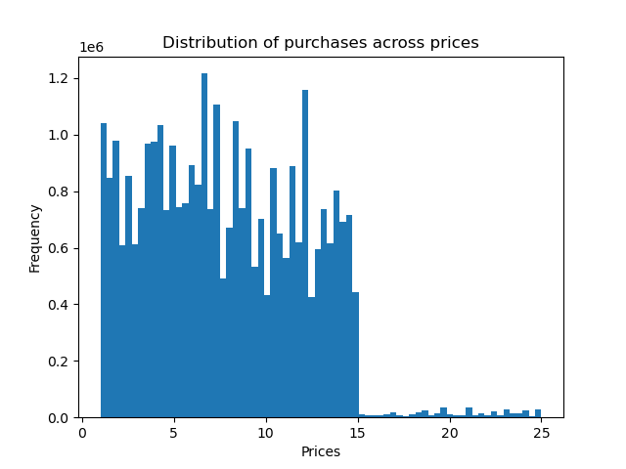
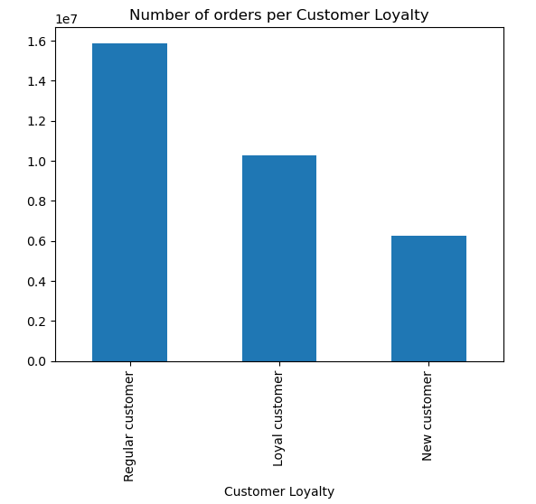

 |  | Number of Orders peaks early in the week on Saturday (0) and Sunday (1), diminishing all throughout, picking back up on Thursday and Friday. |  |  |  |  |  |  |  |  |  | Number of Orders starts growing at around 5 AM, peaking at around 9 and staying relatively stable until 15, and then slowly diminishing untill 3 AM. |  |  |  |  |  |  |  |  |  |  | There's a sharp cutoff in order number for products above 15 euros. This might mean that either Instacart's audience prefers cheaper products, or they might not be marketed ptimally at the moment. The trend below 15 euros is relatively noisy, but the baseline of orders increases for cheaper products as well. |  |  |  |  |  |  |  |  |  | We can see that Instacart's biggest number of orders comes from their regular customers, followe by the loyal customers and then the new customers. This might mean it is worth it to invest into retaining customers for a longer time, but we would have to look at total spend for users in different loyalty levels to truly understand that. New Customer - less than 10 orders; Regular Customer - between 10 and 40 orders; Loyal Customer - more than 40 orders

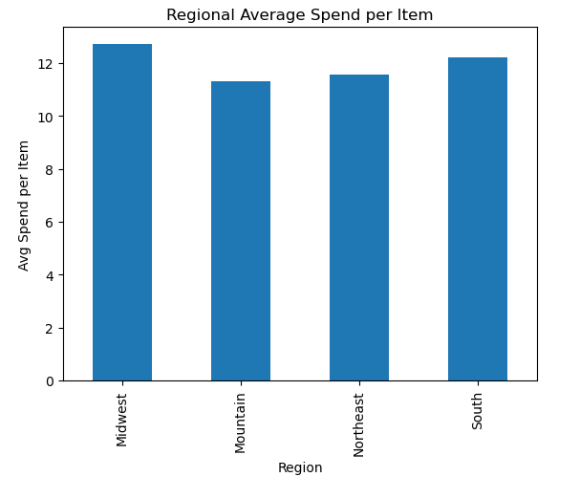

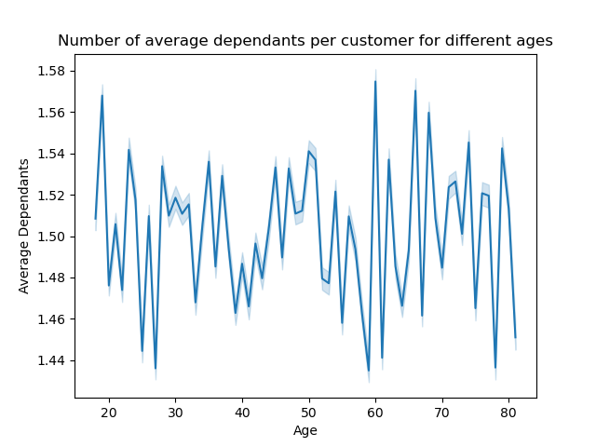
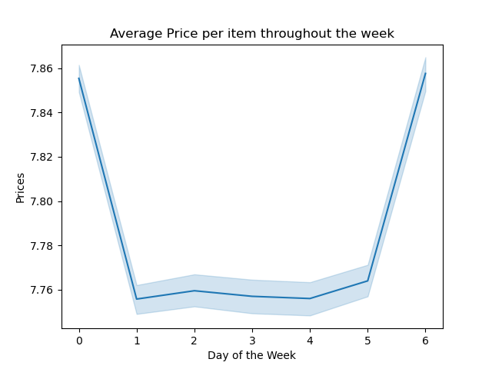
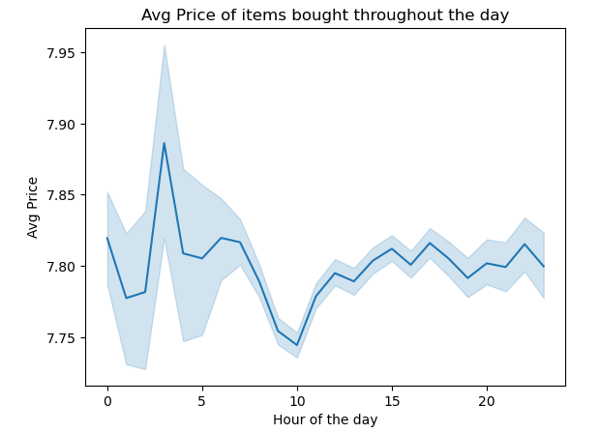

 |  | The change in average price per item throughout the week doesn't change drastically, but there seems to be a tnedency for buying more expensive items on Sunday and Monday, maybe due to people stocking up on a bigger range of products at the start/end of week. |  |  |  |  |  |  |  |  |  | The change in average price per item throughout the day shows a curious behaviour. The greater error line for early hours shows people are buying more diversely priced and slightly more expensive products betweeen midnight and 6 in the morning. This might be due to these purchases being more superfluous or urgent items, which are more varied. |  |  |  |  |  |  |  |  |  | There seems to be no relation between age and the number of dependants. This allows us to look at different factors that might affect this variable, like family status or income |  |  |  |  |  |  |  |  |  |  | The regions don't differ too much in average spend, but the midwest and South are the ones with the highest average price per item. This might mean it might be worth it to focus marketing efforts in these regions, or this might warrant a deeper look into the most common orders in these territories when compared to the others, to see if it might be worth it to promote these products in other regions.

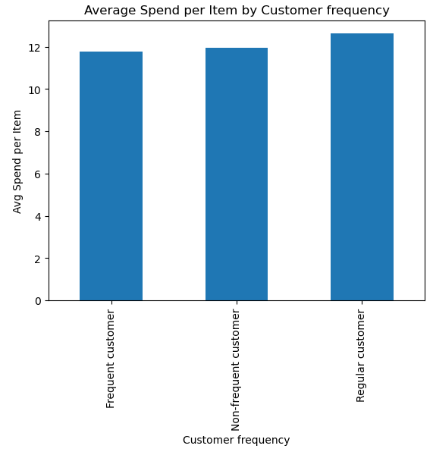

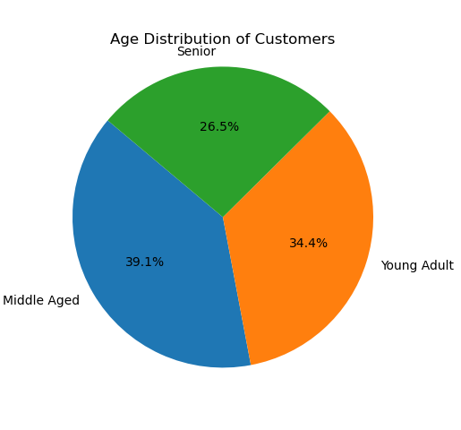
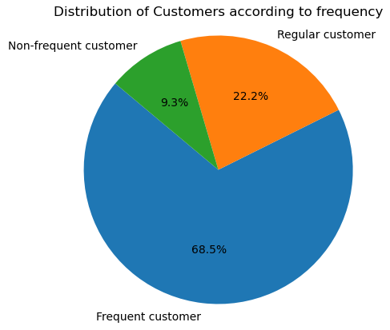
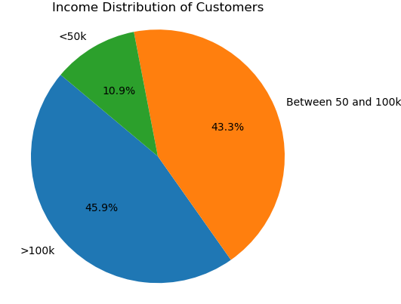
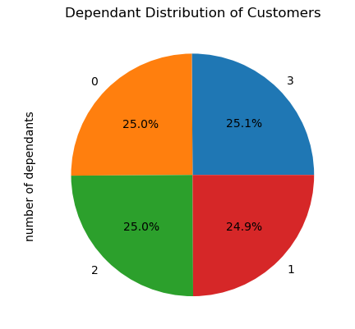

 | The Regular customers seem to have the highest avergae spend, with frequent customers spending the least. Frequent customer': The median number of days since the last order is 10 or less. 'Regular customer': The median days since last order is between 10 and 20. 'Non-frequent customer': The median days since last order is more than 20. |  |  |  |  |  |  |  |  |  | Most of Instacarts clients are Middle Aged, followed by Young Adults and finally Seniors. This insight might help us better target our audiences, when paired with information about income/avg.spend/frequency of purchases 'Young Adult': Customers younger than 40 years. 'Middle Aged': Customers aged between 40 and 65. 'Senior': Customers aged 65 and above. |  |  |  |  |  |  | Most of Instacarts clients are Frequent custs, followed by Regulars, and finally Non-frquent custs. This ndicates we're doing a good job at retaining customers. Frequent customer': The median number of days since the last order is 10 or less. 'Regular customer': The median days since last order is between 10 and 20. 'Non-frequent customer': The median days since last order is more than 20. |  |  |  |  |  |  |  | Most of Instacarts clients are High Income earners, followed by Middle earners and a small percentage of low earners. This data may help us improve or change our product/service offerings, to cater to people with higher incomes, or might inform our department that we are not taping into a potentially low income crowd 'Low': incomes below 50,000. 'Middle': Income levels between 50,000 and 100,000. 'High': Incomes of 100,000 or more. |  |  |  |  |  |  |  |  | Most of Instacarts clients have dependants, with an almost equal share between 1,2, and 3 dependants of 25% each.

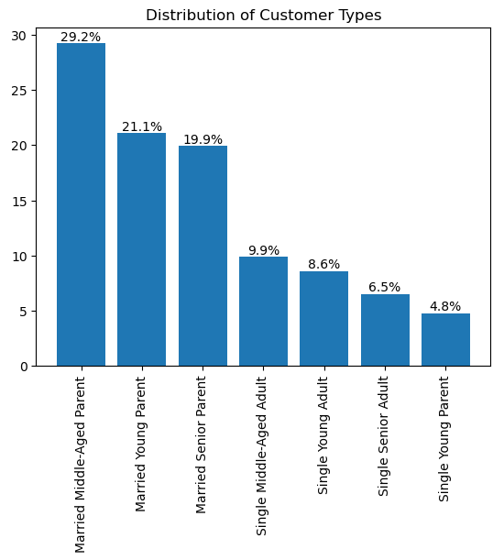

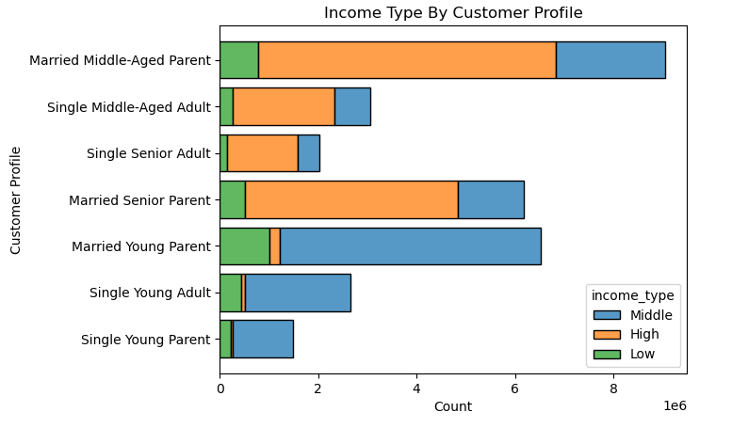
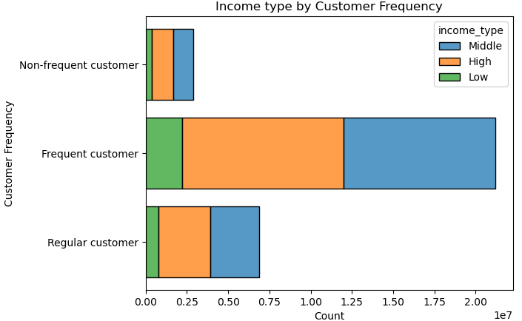
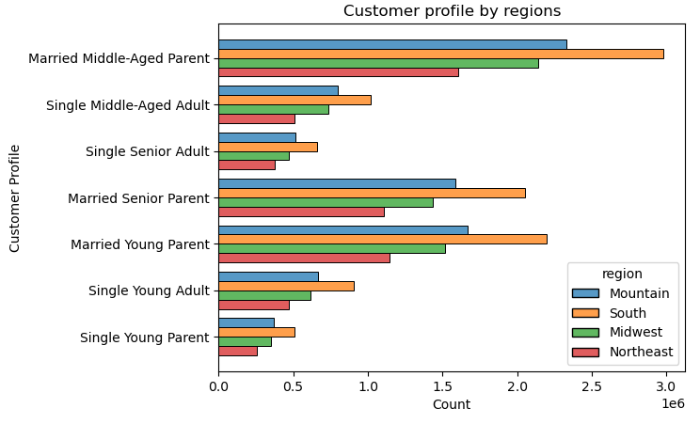

Instacart's clientelle consists mostly of Married parents. Middle aged parents take the biggest share, with Young and Seniour following next. Curiously, the smallest clientelle is single Young Parents, the only single parent demographic present in Instacart's clientelle. |  |  |  |  |  |  |  |  |  |  |  | There doesn' seem to be any major differences in income levels among the different customer frequencies, with Middle and High Income Earners being relatively equal, and Low earners the least for all frequency levels. This matches up with the overall instacart frequency demographics analyzed earlier |  |  |  |  |  |  |  |  |  |  |  | Seniour and Middle Aged Categories are dominated by high earners, while Young categories are mostly middle earners. This is to be expected, but confirms that the older demographics may be good targets for marketing more expensive products |  |  |  |  |  |  |  |  |  |  | Most regions exhibit a similar distribution of customer profiles, so at first look, there is no insight to be derived in terms of regional audience targetting

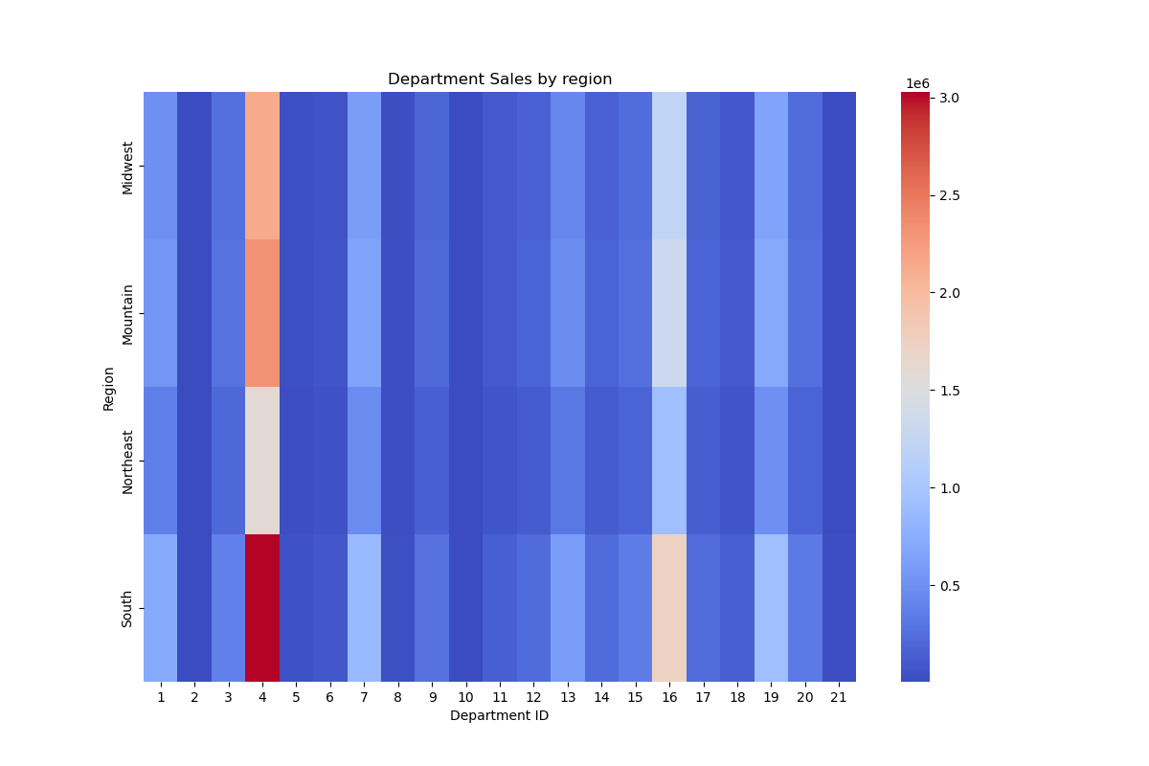

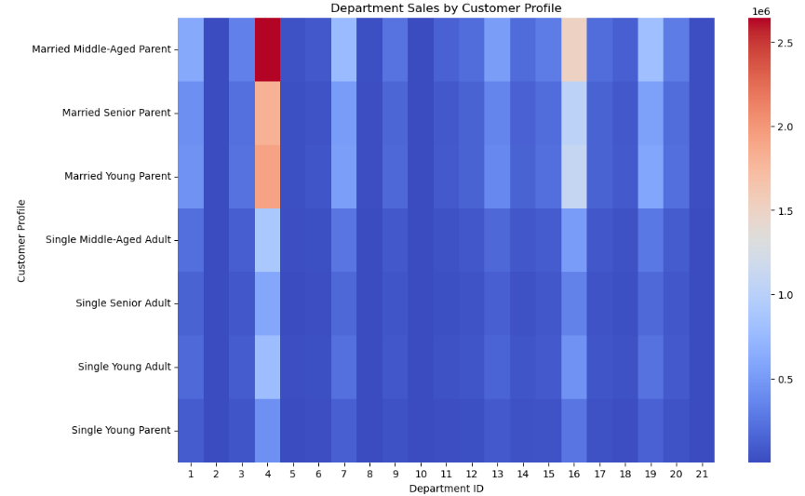
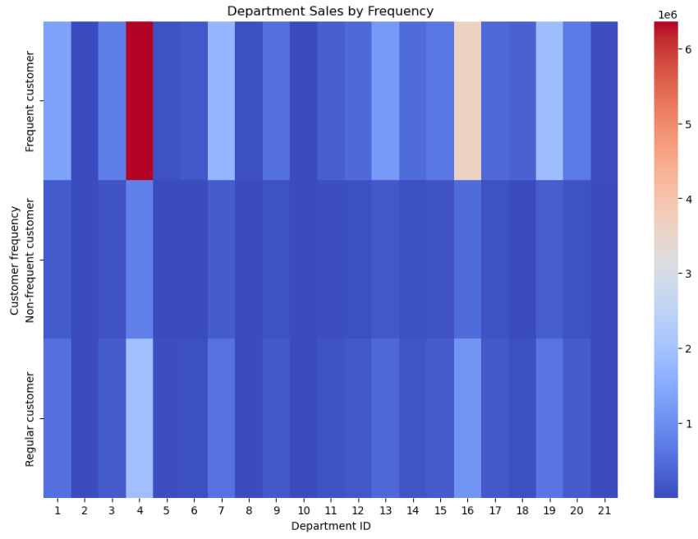

 |  |  |  | The preferred departments are similar across customer types (the difference in colours across customer type is more due to an unequal representation of different customer types in the studied sample, than any perceived greater preference ). The preferred departments are : 4 = Produce; 16 = Dairy & Eggs; 19 = Snacks; 7 = Beverages; |  |  |  |  |  |  |  |  |  | The preferred departments are similar across regions as well, and are the same as for different customer types. The preferred departments are : 4 = Produce; 16 = Dairy & Eggs; 19 = Snacks; 7 = Beverages; |  |  |  |  |  |  |  |  |  |  | The preferred departments are similar across visit frquency as well, and are the same as for different customer types and regions. The preferred departments are : 4 = Produce; 16 = Dairy & Eggs; 19 = Snacks; 7 = Beverages;

7. Recommendations
 |  |  |  | Title page

Recommendations

In this tab you should include any recommendations you would made to Instcart in terms of their marketing strategy based on the questions posed in the brief. Every key question has been covered in the Tasks of the Exercises - here you need to add an item - a visualisation or table/crosstable that is showing the answer in the data, acompanied by a comment from you. Please, list the questions below and add the answer underneath.

Question
What are the busiest days of the week and hours of the day?

Number of Orders peaks early in the week on Saturday (0) and Sunday (1), diminishing all throughout, picking back up on Thursday and Friday.
The busiest hours of the day are from 10-15, particularly 10-11
Reccomendations: Run ads in the lower days of sales (2-4)(Monday-Wednesday) to try and boost sales

Are there particular times of the day when people spend the most money?

People spend the most money on Saturdays(0) and Fridays(6). Additionally, they seem to spend more money around 3-6 in the morning
Reccomendations: Target ads of more expensive products to just before 3 in the mroning and keep them going till 6 to incentivize higher price purchases

Are certain types of products more popular than others?
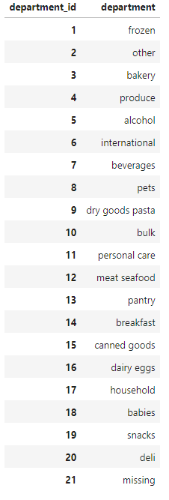
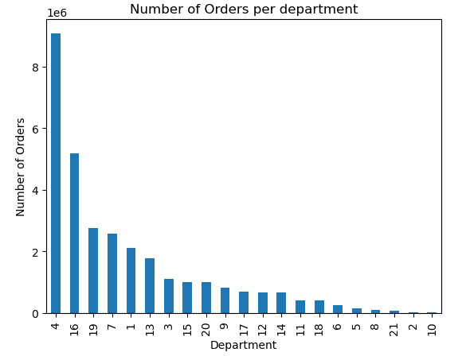

 | Produce, Dairy and Eggs, Snacks, and Beverages are the most popular product types

 | Reccomendations: Discount these types of products or offer higher value products in these departments

What’s the distribution among users in regards to their brand loyalty (i.e., how often do they return to Instacart)?
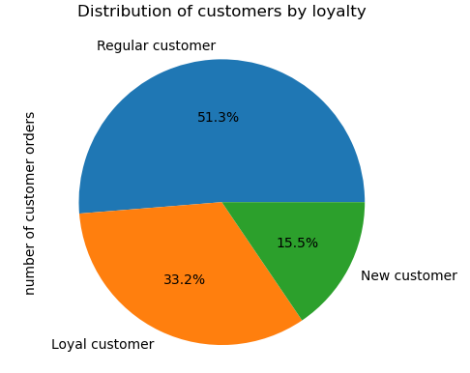

 |  | Loyal customer': Customers with more than 40 orders.
 |  | 'Regular customer': Customers with orders numbering between 10 and 40.
 |  | 'New customer': Customers with 10 or fewer orders.

 |  | Most customers are regular customers, followed by loyal customers
 |  | Loyal Customers spend more than double than regular customers on average
 |  | In order to promote this behaviour more, I reccomend creating an incentives program
 |  | Or a loyalty status, which grants benefits, if more then a certain treshold of purchases are made in a certain time period
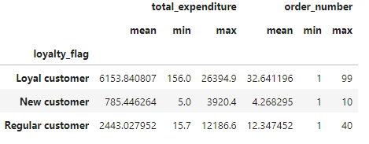

Are there differences in ordering habits based on a customer’s loyalty status? Are there differences in ordering habits based on a customer’s region?
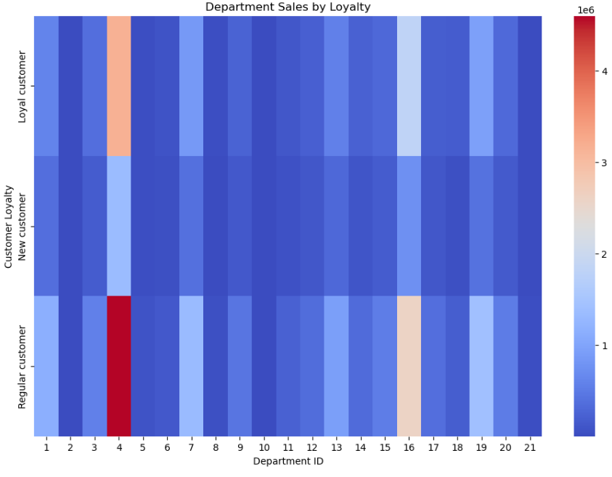

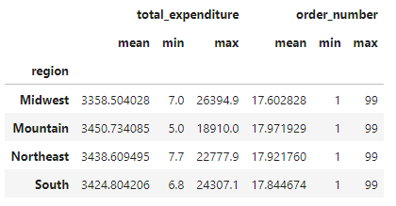
The behaviour is mostly the same throughout the regions and loyalty levels, with the same departments being the most popular
Behaviour is also very similar accross regions with slightly higher expenditure in the mountain region and lower in the midwest
The preferred departments are : 4 = Produce; 16 = Dairy & Eggs; 19 = Snacks; 7 = Beverages;
I reccomend maybe bundling these products together, or offering higher value products in these departments

Is there a connection between age and family status in terms of ordering habits? What different classifications does the demographic information suggest?
What differences can you find in ordering habits of different customer profiles? Consider the price of orders, the frequency of orders, the products customers are ordering, and anything else you can think of.

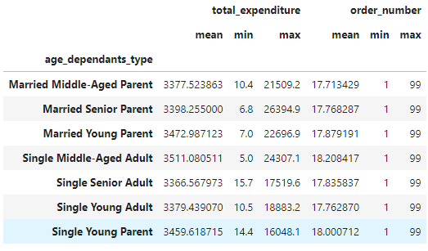
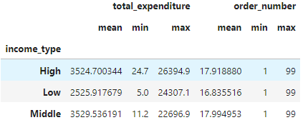

 |  |  | Ordering behaviour by customer type is also similar to by loylaty and by region, with the same prefered product departments.

 |  |  | Older Populations are mainly composed of higher and middle income earners,
 |  |  | and these have higher total expenditures than low income earner, which tend to be young
 |  |  | Married customers also tend to be Parents, as there is only a very small amount of single parents

 |  |  | Customer Types are pretty similar though in terms of ordering habits, with only minor differences in total expenditure
 |  |  | To understand this better we would need to do a more isolated analysis of all parameters (family_status, age,dependants) to try to identify the key factors for high value customers

